Performance Evaluation Form
Performance Evaluation Form

 | Employee Name: | Ronalyn S. Del Monte |  |  |  |  |  |  | ID Number: |  | AC0464

 | Position: | Anti-Spam Specialist |  |  |  |  |  |  | Account - Project: |  | Globe ISDP Anti-Spam

 | Line Manager: | Mary Joy Juta |  |  |  |  |  |  | Year: |  | 2023

 | Performance: |  | Monthly Performance Review |  | X | Mid Year Performance Review

 |  |  | 5th Month Probationary |  |  | Year End Performance Review

 | Part 1: What goals were achieved? 1. Review the Company and Business Unit Objectives 2. Based on the Key Results Area, identify your Key Performance Indicators. 3. People KPI listed here are mandatory from HR but you can add new items if neeed. 4. Discuss and agree on KPIss with your manager and submt by timeline.

 | Company Objectives
 | Financials: Increase external revenue and profitability of Acquiro, increase efficiency and productivity that will result to cost savings/ efficiency, improve collections efficiency by providing on time and accurate billings.
 | Customers: Acquire new and incremental external clients, preferrebly from the top 5000 companies in the Philippines. Strengthen partnerships with major associations and organisations that will generate new business, increase customer satisfaction ratings.
 | Services: Create and implement new and innovative product solutions for clients, use the latest technology to improve service for clients, maximize partnerships for potential new businesses/partnerships.
 | Process: Optimize internal processes for operational efficiency leveraging technology solutions and adherence to legal and ethical standards.
 | People: Strengthen capability of employees to respond to busines direction (coaching and training and development), enable employees to futher improve performance with clients through the use of tools and technology and NWOW (AGILE), energize employees to thrive at work through services and options fit to the quality of life they need via our employee engagement programs.

 | Key Results Areas | % | Key Performance Indicator |  |  | Sub-weight | Self Rating | IS Rating | Final Rating | Weighted Score | Final Score | Remarks
 | Financials | 30% | 100% attendance and punctuality |  |  | 10% | 5 | 5 | 5 | 0.5 | 1.3 | No unauthorized absence and late
 |  |  | Achieve 95% attendance. |  |  | 10% | 5% | 5 | 4 | 0.4 |  | No absent and late
 |  |  | Achieve 100% attension in Viber and Emails. |  |  | 10% | 4 | 4 | 4 | 0.4
 | Customers | 30% | Customer satisfaction |  |  | 10% | 5 | 5 | 5 | 0.5 | 1.3 | No negative feedback from client
 |  |  | Achieve a customer satisfaction rating of 90%. |  |  | 10% | 4 | 4 | 4 | 0.4
 |  |  | Handle to customer concerns within 24 hours. |  |  | 10% | 5 | 4 | 4 | 0.4
 | Services | 10% | 100% productivity and performance |  |  | 2.50% | 4 | 5 | 5 | 0.125 | 0.425 | 100% meets SLA
 |  |  | Achieving 97% accuracy in delivering _____ services. |  |  | 2.50% | 4 | 4 | 4 | 0.1
 |  |  | Achieve 100% timeliness in delivering SLAs. |  |  | 2.50% | 4 | 4 | 4 | 0.1
 |  |  | Achieve work performance of 95% |  |  | 2.50% | 4 | 5 | 4 | 0.1
 | Process | 10% | Quality of work |  |  | 2.50% | 4% | 5 | 5 | 0.125 | 0.45 | No IR on quality
 |  |  | Deliver 100% SLAs to ahieve 0% negative cost implications. |  |  | 2.50% | 4% | 4 | 4 | 0.1
 |  |  | Deliver project plans on time |  |  | 2.50% | 4% | 4 | 4 | 0.1
 |  |  | Safekeep company equipment and company data to achieve 0% negative cost implications. |  |  | 2.50% | 4% | 5 | 5 | 0.125
 | People | 20% | Completion of at least 24hrs consolidated learning courses |  |  | 5.00% | 5% | 5 | 5 | 0.25 | 0.85 | 15hrs of training completed
 |  |  | AstiSpace training |  |  | 5.00% | 4% | 4 | 4 | 0.2 |  | Completed 25 hrs of training
 |  |  | Client training |  |  | 5.00% | 5 | 4 | 3 | 0.15
 |  |  | 100% compliance to code of discipline, client company's policies, and to out team's Agile Software Development Process and Guidelines |  |  | 5.00% | 5 | 5 | 5 | 0.25
 | Total: |  |  |  |  | 100.00% |  |  |  |  | 4.33
 | 80% of Performance Rating |  |  |  |  |  |  |  |  |  | 3.46

 | Part 2: How goals were achieved? 1. Review behavior for the performance period. 2. Identify strengths and opportunities. 3. Create development plan.

 | Rating: 1 - Do not meet expectations 2 -Needs Improvement 3 - Meet Expectations 4 - Exceeds Expecations 5 - Value Champion

 | Values |  |  | Strengths |  |  | Opportunites |  |  |  | Self Rating | IS Rating | Final Rating
 | Simplify We keep it simple |  |  | Effective communication |  |  | Attentiveness |  |  |  | 5 | 4 | 5
 | Innovate We embrace challenges and turn ideas into solutions |  |  | Problem-solving skills |  |  | Engagement |  |  |  | 4 | 5 | 4
 | Impact We solve real problems that have lasting impact |  |  | Adaptability |  |  | Collaborative Decision Making |  |  |  | 5 | 4 | 4
 | Agility We act with speed and ease |  |  | Attention to detail |  |  | Concentration |  |  |  | 5 | 5 | 5
 | Expertise We are credible experts in the modern workplace |  |  | Professional growth |  |  | Proactive |  |  |  | 4 | 4 | 4
 | Average |  |  |  |  |  |  |  |  |  |  |  | 4.4
 | 20% of Total Rating |  |  |  |  |  |  |  |  |  |  |  | 0.88

 |  |  |  |  |  |  |  |  | OVERALL Performance Rating: |  |  | 4.34
 |  |  |  |  |  |  |  |  |  |  |  | Strong

 | Self-Assessment Narrative:
 | We go through certain changes within our team, but with the guidance of our leaders, i managed to adapt & provide an output that makes our team's task a little less tedious. The teachings offered by Space LinkedIn Learning have greatly contributed to my skills development, which I have subsequently used in accomplishing our tasks. I am truly grateful for this opportunity to upskill.

 | Career Developmental Plan: Agreed upon actions to improve/develop employee's skills, knowledge, or abilities over the next review period and beyond (ie. internal or external trainings; project reassignment; rotation; coaching or mentoring.)
 | Improvement/Development Area |  |  |  | Developmental Activities |  |  |  |  | Status
 | Customer Service |  |  |  | Complete at least 3 CS learning courses in LinkedIn Learning |  |  |  |  | Ongoing
 |  | Excel: Macros and VBA for Beginners |  |  |  | LinkedIn Learning |  |  |  | Ongoing

 | IS Summary:
 | Rona is one of the reliable team that helps to improve the quality of our work. Keep up the good work.



 | This performance has been discussed and agreed upon by both employee and superior.
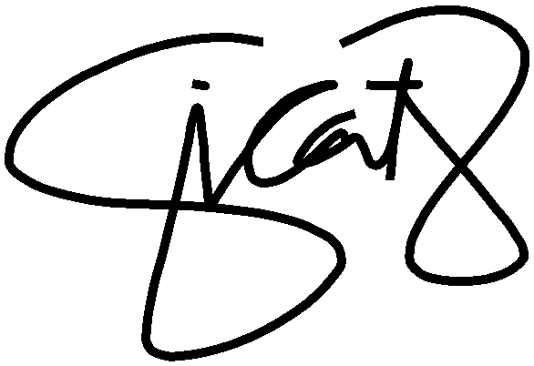

 | RONALYN DEL MONTE |  |  | 2023-07-05 |  |  |  | Jobelle I. Catabay |  |  |  | 2023-07-14
 | Employee Name and Signature |  |  | Date: |  |  |  | Immediate Superior Name and Signature |  |  |  | Date:

Process
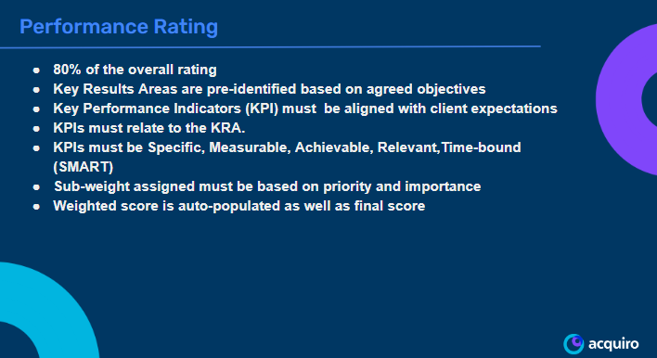
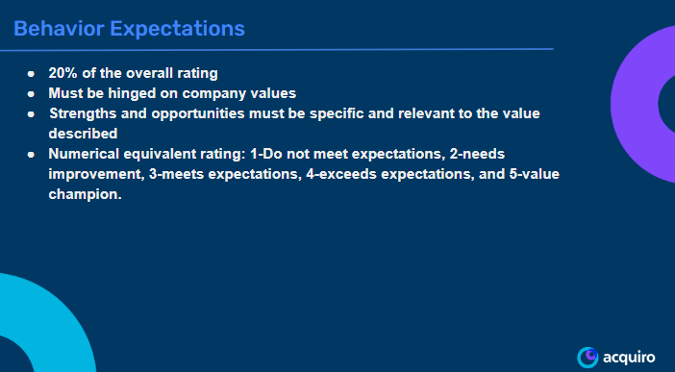
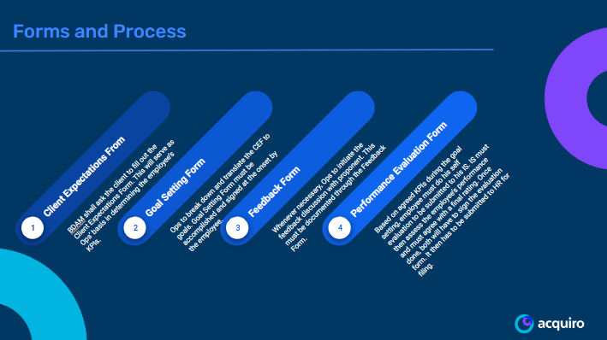
Step | Action | Owner | Note
1 | Make a copy | IS | Client/proponent can't directly rate any Acquiro employees.
2 | Add KPIs and sub-weight | IS
3 | Share with team members | IS
4 | Do self-evaluation | EE
5 | Save in Excel format | EE
6 | Send to IS | EE
7 | Finalize rating | IS
8 | Sign-off | IS and EE
9 | Save in PDF format | EE/IS
10 | Submit to HR | EE/IS | https://forms.gle/TwruYFYhWG238MGP8

